Overview

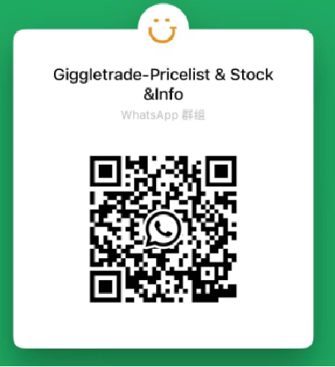
Giggle Tech Offer you the price & quality you’ve been expecting. |  |  |  |  | Prices may vary depending on specific standards. Contact us for accurate quotes.

Offer Date: | 2025-11-27 | Currency: | USD
Website: | www.giggletrade.com | Whatsapp: | 852 65719858
Email: | sales@giggletrade.com

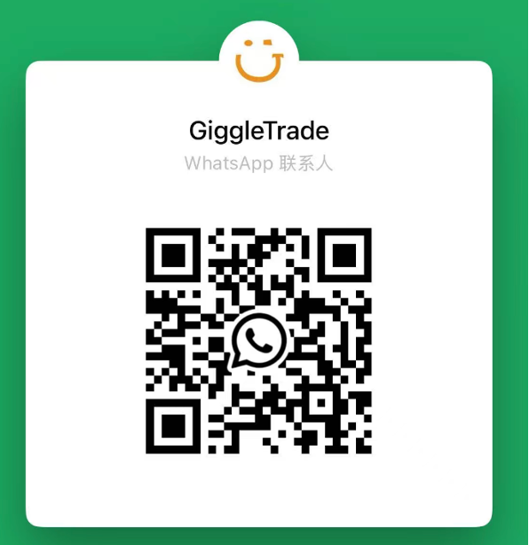
Grade | A+（Like New） | A | B | C
Hardware | 100% fully functional. Tested, checked. FMiP, Blacklist and MDM clean.
Screen | Screen is perfect; LCD is intact. | Perfect (may have only one very minor soft scratch, visible only within 25 cm under backlight) The LCD is intact with no leaks, bright spots, or dark spots. | Minor light scratches (non-tangible), or a single inconspicuous tangible scratch. The LCD is intact with no leakage, bright spots, or dark spots. | There may be more noticeable soft scratches and hard scratches than Grade B. The LCD is intact with no leakage, but may show signs of normal aging such as bright spots or image persistence.
Body | Perfect, no scratches or paint chips, and no obvious signs of use. | The body is in good condition with no obvious bumps or paint chips (individual instances of single dot-like/line-like paint loss may be present); There are minor signs of use (non-dense soft scratches, no hard scratches). | Possible minor scratches, paint chipping, and dents (across the entire body including the lens, otherwise in perfect condition). | There may be noticeable paint chipping and dents; The body is free from bending, deformation, or cracking.
Battery | 0-100% Customizable requirements( ≥80% or ≥85% or ≥90% or 100%New）

