Overview

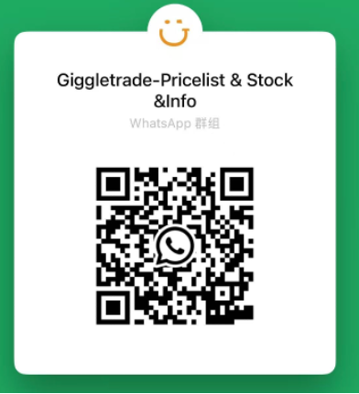
 | Giggle Tech Offer you the price & quality you’ve been expecting.

Offer Date: | 2025-07-28 | Currency: | USD
Website: | www.giggletrade.com | Whatsapp: | 852 65719858
Email: | sales@giggletrade.com

Grade | A+ | A | B | C
Hardware | 100% fully functional. Tested, checked, and cleaned
Screen | Excellent Cosmetic Condition, no signs of wear. Flawless. No signs of use. | No signs of use. Premium devices may be gently used or open-box returns. | Good Cosmetic Condition, medium signs of wear and tear. Small-Medium Length scratches on screen. | Fair Cosmetic Condition, Medium or Heavy scratches up to 1-2 inch long possible, dings possible on the sides. No Cracks.
Body | No signs of use. Premium devices may be gently used or open-box returns. | No impact marks on the casing, no color peeling, with minor signs of use. | Scratches of varying lengths on edges possible. 1-2 ding possible on the side.
Battery | Customizable requirements ( ≥80% or ≥85% or ≥90% or 100%New）

